SQL queries
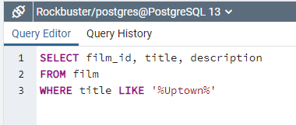
1A)

1B)

1C)

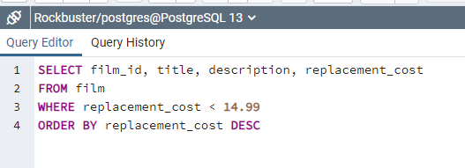
1D)

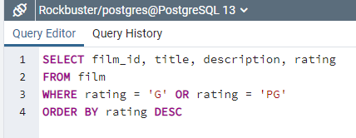
1E)

4
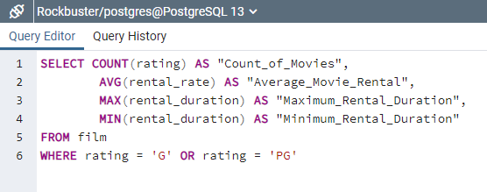

Count_of_Movies | Average_Movie_Rental | Maximum_Rental_Duration | Minimum_Rental_Duration
373 | 2.9792761394 | 7 | 3

5
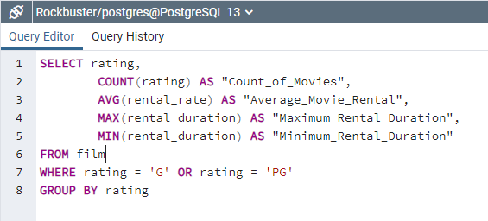

rating | Count_of_Movies | Average_Movie_Rental | Maximum_Rental_Duration | Minimum_Rental_Duration
G | 179 | 2.9006145251 | 7 | 3
PG | 194 | 3.0518556701 | 7 | 3

